CLASSIFIED ADS
 | Sample Work :

WEBSITE | KEYWORD | sample

www.adlandpro.com | Digital Marketing Course in Ahmedabad | https://www.adlandpro.com/ad/43021955/Unlocking-Digital-Marketing-Strategies-for-Success-in-Ahme__Training_426__around_ahmedabad.aspx
https://ahmedabad.craigslist.org/ | digital marketing course in ahmedabad | https://ahmedabad.craigslist.org/cps/d/how-to-become-digital-marketing-pro/7781952921.html
http://www.innetads.com/ | digital marketing course in ahmedabad | http://www.innetads.com/view/item-2980984-How-to-Learn-Digital-Marketing-for-Business-Growth-in-Ahmedabad.html

 | Fulfill the task on your own end.
 | Targeted Keywords | Website | Live Link
 | Digital Marketing Course in Ahmedabad | www.adlandpro.com | https://www.adlandpro.com/ad/43462963/Digital-Marketing-Course-in-Ahmedabad-Enroll-Now__EducationTraining_223__around_rajkot.aspx
 | Digital Marketing Course In Vadodara | https://ahmedabad.craigslist.org/ | https://ahmedabad.craigslist.org/lss/d/digital-marketing-course-in-vadodara/7880664097.html
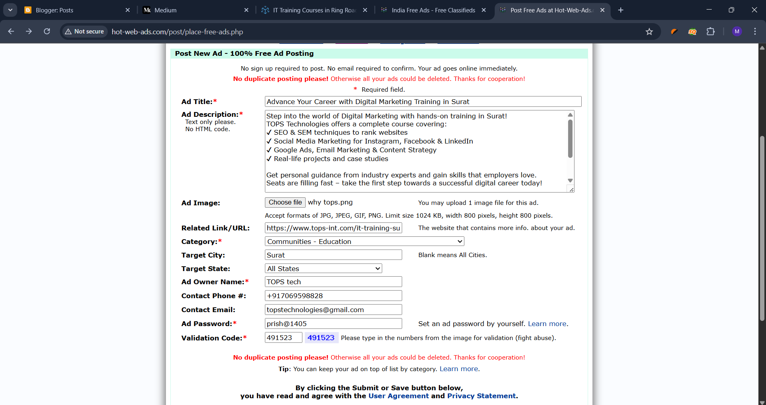
 | Digital Marketing Course In Surat | http://www.innetads.com/

 | Note:
 | Classified ads are online listings where people can buy, sell, or trade items and services. Using SEO with classified ads helps improve their visibility in search engines, attracting more potential customers and increasing engagement with the listings.

